Measurements
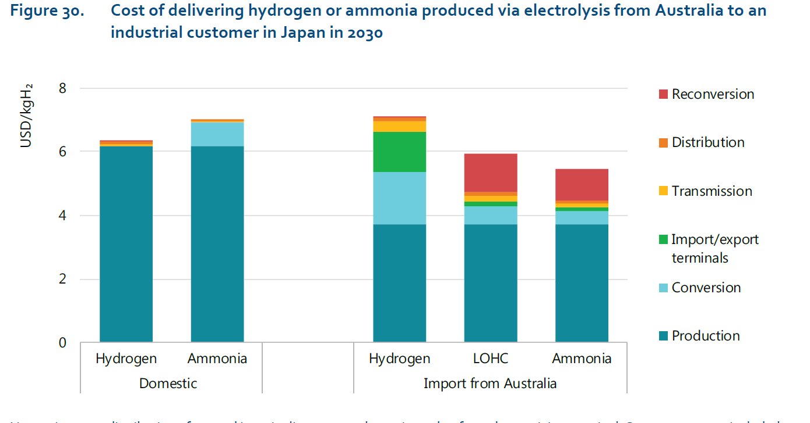
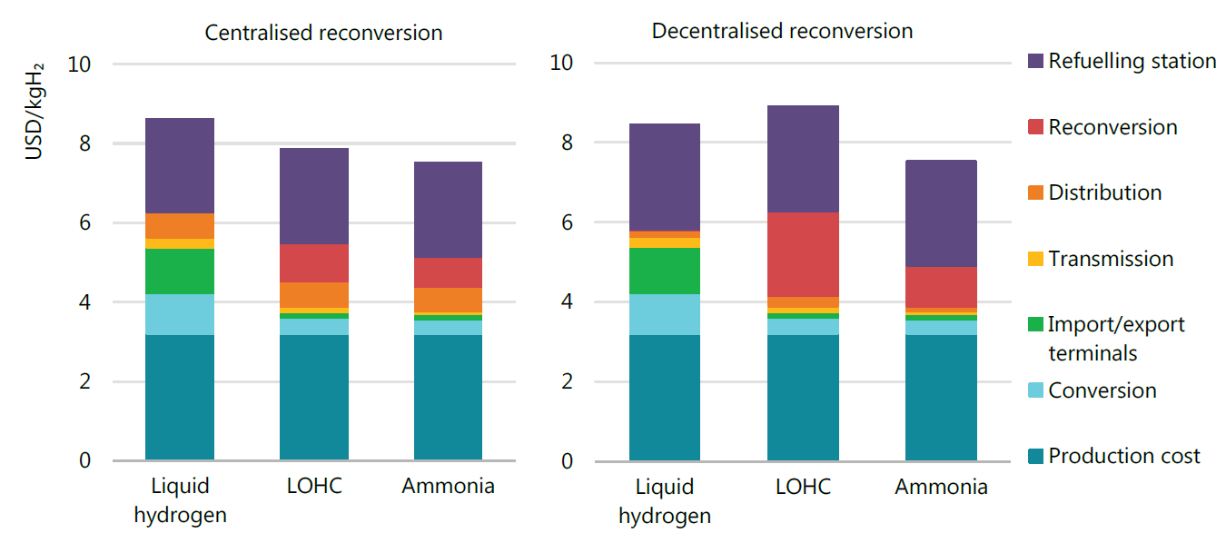
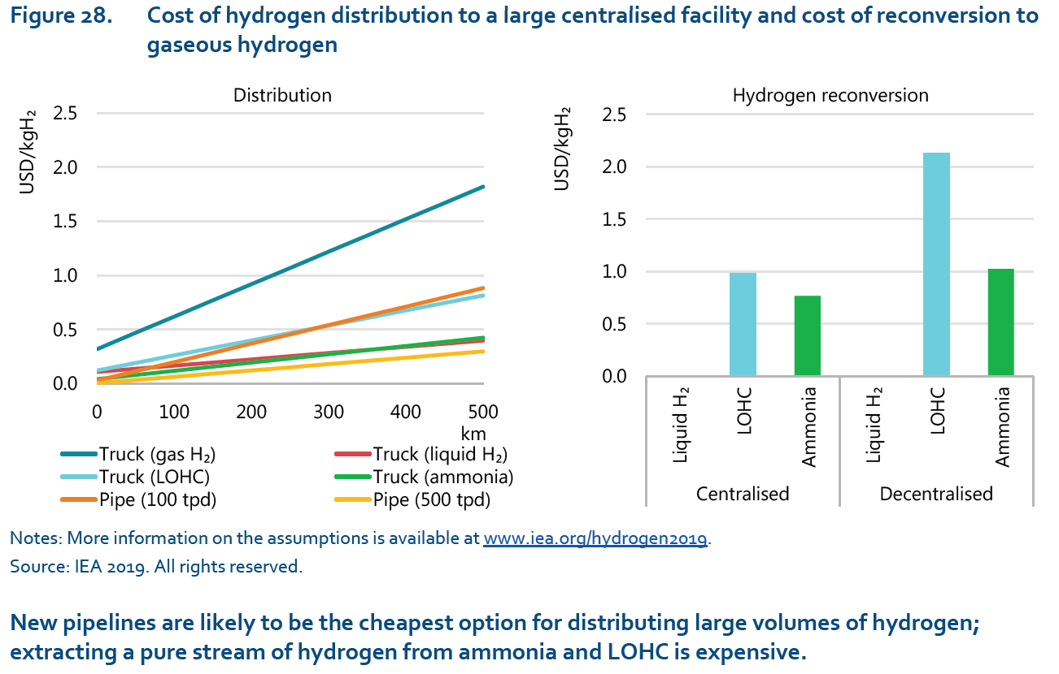
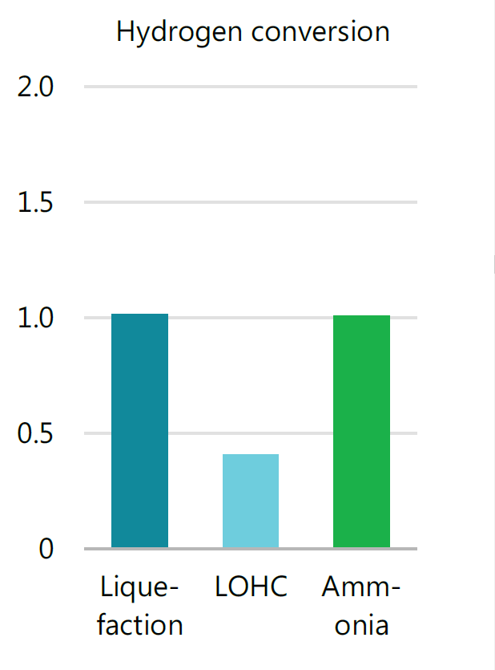
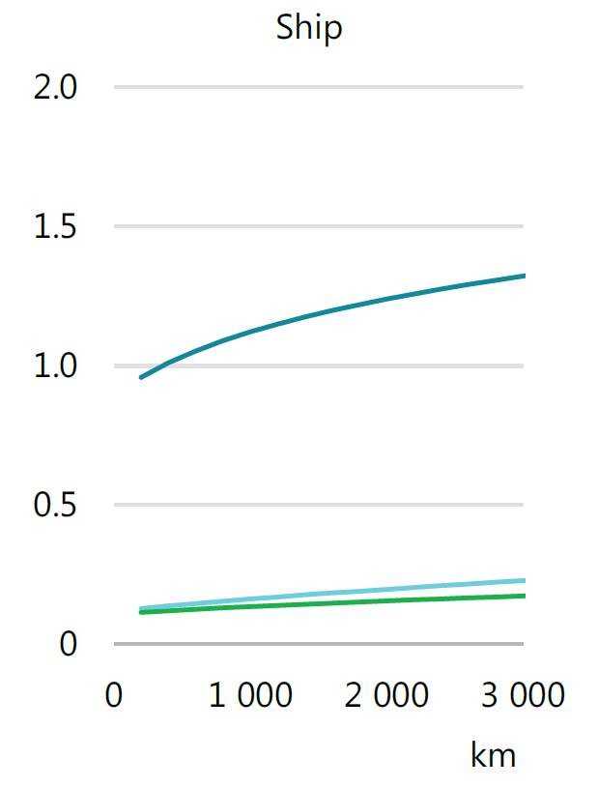
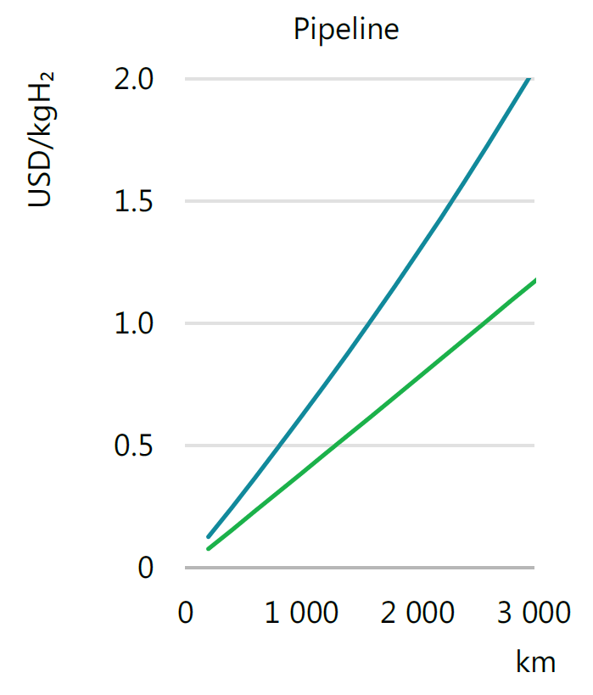
Pipeline | 3000 km | 2 USD/kg
 | x (cm) | y (cm) | x (km) | y (USD/kg)
total axis | 6.9 | 9.7 | 3000 | 2
start nh3 | 0.5 | 0.4 | 217 | 0.08 | y = 0.0007x - 0.0697
end nh3 | 6.8 | 9.7 | 2957 | 2.00
start h2 | 0.5 | 0.6 | 217 | 0.12 | y = 0.0004x + 0.0424
end h2 | 6.9 | 5.65 | 3000 | 1.16

Ship | 3000 km | 2 USD/kg
 | x (cm) | y (cm) | x (km) | y (USD/kg)
total axis | 7.15 | 9.7 | 3000 | 2
start nh3 | 0.5 | 0.55 | 210 | 0.11 |  | y = 2.323E-02ln(x) - 1.523E-02
2nd nh3 | 2.5 | 0.65 | 1049 | 0.13
3rd nh3 | 5 | 0.8 | 2098 | 0.16
end nh3 | 6.9 | 0.85 | 2895 | 0.18
start h2 | 0.5 | 4.65 | 210 | 0.96 |  | y = 1.353E-01ln(x) + 2.236E-01
2nd h2 | 2.5 | 5.5 | 1049 | 1.13
3rd h2 | 5 | 6.1 | 2098 | 1.26
end h2 | 6.8 | 6.4 | 2853 | 1.32
start LOHC | 0.5 | 0.65 | 210 | 0.13 |  | y = 3.404E-02ln(x) - 5.458E-02
2nd LOHC | 2.5 | 0.8 | 1049 | 0.16
3rd LOHC | 5 | 1 | 2098 | 0.21
end LOHC | 6.85 | 1.1 | 2874 | 0.23

Conversion |  | 2 USD/kg
 |  | y (cm) | y (USD/kg)
total axis |  | 9.7 | 2
nh3 |  | 4.95 | 1.02
LOHC |  | 2 | 0.41
h2 |  | 5 | 1.03

Reconversion |  | 2.5 USD/kg
 |  | y (cm) | y (USD/kg)
total axis |  | 5.5 | 2.5
nh3 decentralised |  | 1.7 | 0.77
LOHC decentralised |  | 2.15 | 0.98
nh3 centralised |  | 2.25 | 1.02
LOHC centralised |  | 4.7 | 2.14
h2 decentralised |  | 0.05 | 0.02
h2 centralised |  | 0.05 | 0.02

Distribution | 500 km | 2.5 USD/kg
 | x (cm) | y (cm) | x (km) | y (USD/kg)
total axis | 8.05 | 5.65 | 500 | 2.5
start truck nh3 | 0 | 0.15 | 0 | 0.07 | y = 0.0008x + 0.0664
end truck nh3 | 8.05 | 1 | 500 | 0.44
start truck h2 | 0 | 0.75 | 0 | 0.33 | y = 0.003x + 0.3319
end truck h2 | 8.05 | 4.15 | 500 | 1.84
start truck liq h2 | 0 | 0.3 | 0 | 0.13 | y = 0.0006x + 0.1327
end truck liq h2 | 8.05 | 0.95 | 500 | 0.42
start truck LOHC | 0 | 0.3 | 0 | 0.13 | y = 0.0014x + 0.1327
end truck LOHC | 8.05 | 1.9 | 500 | 0.84
start pipe 100 tpd | 0 | 0.15 | 0 | 0.07 | y = 0.0017x + 0.0664
end pipe 100 tpd | 8.05 | 2.05 | 500 | 0.91
start pipe 500 tpd | 0 | 0.1 | 0 | 0.04 | y = 0.0006x + 0.0442
end pipe 500 tpd | 8.05 | 0.75 | 500 | 0.33

Import/Export |  | 10 USD/kg
 |  | y (cm) | y (USD/kg)
total axis |  | 7.45 | 7.6804123711
nh3 |  | 0.11 | 0.11340206186
LOHC |  | 0.1 | 0.10309278351
liq h2 |  | 0.85 | 0.87628865979

total axis |  | 7.45 | 7.6804123711
nh3 |  | 0.11 | 0.11340206186
LOHC |  | 0.1 | 0.10309278351
liq h2 |  | 0.85 | 0.87628865979

test
-3.503E-08 * ship_dist ** 2 + 2.417E-04 * ship_dist + 9.122E-01

ship | result
0 | 0.9122
500 | 1.0243
1000 | 1.1189
1500 | 1.196
2000 | 1.2556
2500 | 1.2977
3000 | 1.3223
3500 | 1.3294
4000 | 1.319
4500 | 1.2911
5000 | 1.2457
5500 | 1.1828
6000 | 1.1024
6500 | 1.0045
7000 | 0.8891
7500 | 0.7562
8000 | 0.6058
8500 | 0.4379
9000 | 0.2525
9500 | 0.0496
10000 | -0.1708
10500 | -0.4087
11000 | -0.6641
11500 | -0.937
12000 | -1.2274
12500 | -1.5353
13000 | -1.8607
13500 | -2.2036
14000 | -2.564
14500 | -2.9419
15000 | -3.3373

